Home Page
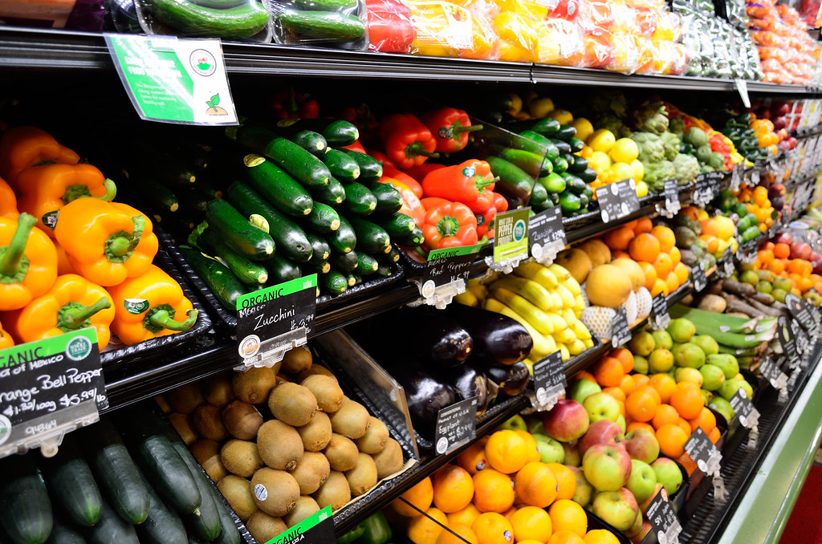
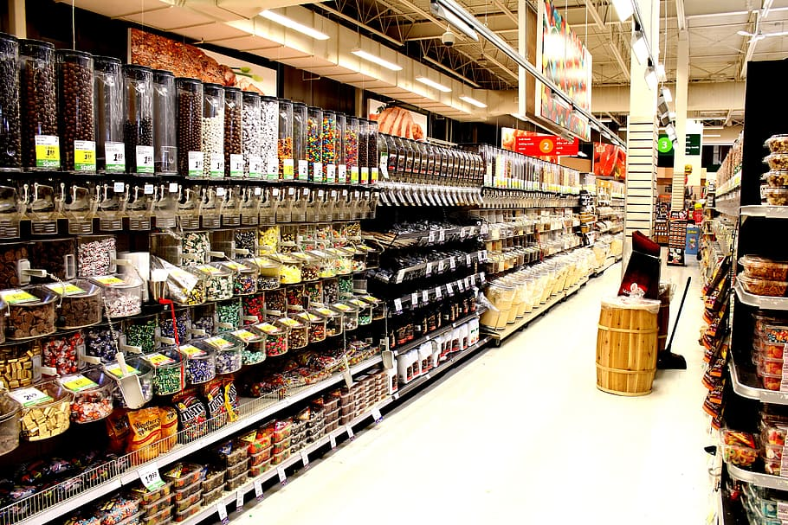

blinkit

Dash Doard
INDIA'S LAST MIN APP

This Photo by Unknown Author is licensed under CC BY-NC

Dashboard blinkit
blinkit
TOTAL SALES
$1.33M
AVG RATING
3.9
AVG SALES
$140
bnm

Indias last min App

Item Types
 | Total
Seafood | 999.8264
Breakfast | 1672.8134
Others | 2489.5288
Starchy Foods | 2540.6612
Breads | 3636.0996
Hard Drinks | 3801.4496
Soft Drinks | 5734.2012
Meat | 6127.3942
Health and Hygiene | 6868.2482
Baking Goods | 8132.2102
Canned | 8995.574
Dairy | 11818.2262
Frozen Foods | 13052.5588
Household | 13937.5676
Fruits and Vegetables | 19778.5388
Snack Foods | 20891.9616
Fat containt
 | Total
Low Fat | 333.85478668
Regular | 200.97007966

Dataset

Future Scope

Total of Salse
 | Sum of Sales | Sum of Item Visibility | Sum of Item Weight
Tier 1 | 336397.812 | 170.03812467 | 23979.35
Tier 2 | 393150.6476 | 169.99035093 | 35560.63
Tier 3 | 472133.0332 | 223.61491095 | 31234.995
Outlet Size
 | Total
High | 1753
Medium | 2696
Small | 2611

This Photo by Unknown Author is licensed under CC BY

Future scope
blinkit
FUTURE SCOPE :-
Creating a dashboard for the Blinkit website (or any e-commerce platform) has significant future potential, especially in areas like data-driven decision-making, operational efficiency, and customer experience optimization. Here are some key areas where a dashboard could have future scope:

Indias last min App

Data AnalyticsandInsights:-
Sales Performance
Customer Behavior Analysis
Product Demand Forecasting
Dataset

Dash Doard
Supply Chain and Logistics Management :-
Delivery Metrics
Inventory Management
Vendor Performance

Operational Efficiency :-
Real time monetoring
Optimization

Marketing Performance :-
Campaign Tracking
Promotions and Discounts

Financial Management :-
Revenue and Profit Analysis
Cost Optimization

Conclusion :-
The future scope of dashboards on Blinkit is vast, particularly in improving business intelligence, supply chain management, customer engagement, and operational efficiency. By adopting advanced analytics, AI, and real-time data, Blinkit can further strengthen its position in the competitive e-commerce landscape.

Item Types
Item Types
Type of grocery | Sum of Sales
Seafood | 999.8264
Breakfast | 1672.8134
Others | 2489.5288
Starchy Foods | 2540.6612
Breads | 3636.0996
Hard Drinks | 3801.4496
Soft Drinks | 5734.2012
Meat | 6127.3942
Health and Hygiene | 6868.2482
Baking Goods | 8132.2102
Canned | 8995.574
Dairy | 11818.2262
Frozen Foods | 13052.5588
Household | 13937.5676
Fruits and Vegetables | 19778.5388
Snack Foods | 20891.9616
Grand Total | 130476.8598

Fat containt & outlet
Fat By Containt & Outlet
Row Labels | Sum of Item Visibility
Low Fat | 333.85478668
Regular | 200.97007966
Grand Total | 534.82486633

Salse,Visiblity,Item Weight
Row Labels | Sum of Sales | Sum of Item Visibility | Sum of Item Weight
Tier 1 | 336397.812 | 170.03812467 | 23979.35
Tier 2 | 393150.6476 | 169.99035093 | 35560.63
Tier 3 | 472133.0332 | 223.61491095 | 31234.995
Grand Total | 1201681.4928 | 563.64338655 | 90774.975

Total of Sales

Outlet size
Row Labels | Count of Item Weight
High | 1753
Medium | 2696
Outlet Size
Small | 2611
Grand Total | 7060

